To do
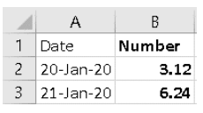
Question 3 In cell A1 type in the heading Date then press Enter. In cell A2 type in the following: 20-Jan-20. Use the fill handle to drag the date you have just typed down to row 20
Question 4 In cells B1 to B3 enter the following: Select cells B2 and B3 then use the fill handle to drag down to row 20. What is the value in B7?

Question 6 What value is in cell Q83 on the Orders sheet?
How many worksheets are there in this workbook?
Question 7 Go to the Sales 2016 worksheet. Which cell contains the heading Qtr4?
Question 8 Still in Sales 2016, select the range B8:E10. Look at the status bar at the bottom of the screen. You should see Sum followed by a number. What is the number?
Question 9 Select the two non-contiguous ranges (not next to each other) C8:C11 and E8:E11. What is the Average showing on your status bar for the two ranges?
Question 10 Change the value in D6 to be 1033.5 What is the new value in D18?

